Sheet1
Bug ID | Title/Summary | Description | Steps to Reproduce | Expected Result | Actual Result | Severity | Priority | Reporter & Date | Environment | Attachments/References | Test Case ID

BUG-001 | Borrow table accepts invalid due date before borrow date when inserting borrow record | When inserting a new borrow record in the Borrow table with a due_date earlier than the borrow_date, the system accepts the record successfully instead of rejecting it. This issue occurs because the Borrow table does not contain the Check Constraint chk_due_date (CHECK (due_date > borrow_date)), which allows invalid date values to be stored in the database. | 1. Open MySQL Workbench and use library_db database 2. Open the Borrow table 3. Execute the following query: INSERT INTO Borrow (member_id, book_id, borrow_date, due_date) VALUES (1, 1, '2026-05-10', '2026-05-01'); | "The system should reject the insert operation An error message should appear indicating violation of check constraint chk_due_date Invalid records should not be inserted into Borrow table" | "No error message appears 1 row affected successfully Invalid borrow record is inserted into Borrow table even though due_date is earlier than borrow_date" | Major | High | Fatma mostafa ali mostafa | MySql Workbench 0.8 CE OS: Windows 11 | 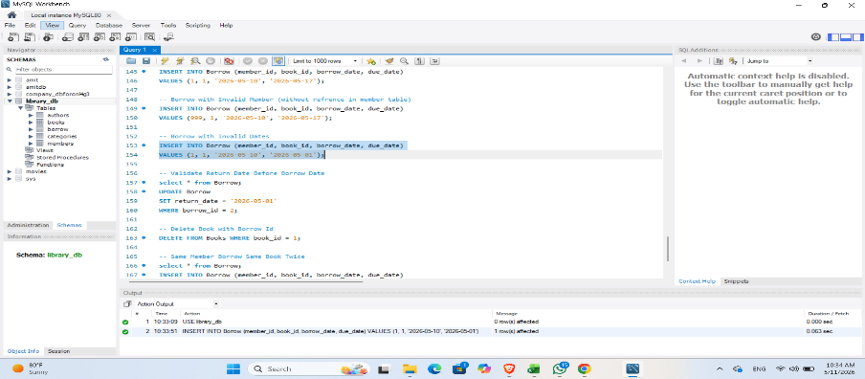 | TC-06
BUG-002 | Borrow table allows same member to borrow the same book twice without returning it | When the same member tries to borrow the same book again while there is already an active borrow record (return_date IS NULL), the system accepts the second borrow request successfully instead of rejecting it. This issue occurs because there is no unique constraint or validation logic preventing duplicate active borrow records for the same (member_id, book_id). | "1. Open MySQL Workbench and use library_db database 2. Ensure there is already an active borrow record for member_id = 1 and book_id = 1 where return_date IS NULL 3. Execute the following query: INSERT INTO Borrow (member_id, book_id, borrow_date, due_date) VALUES (1, 1, '2026-05-04', '2026-05-11'); | "The system should reject the duplicate borrow request No duplicate active borrow records should exist for the same member and book An error message or validation should appear indicating duplicate active borrow is not allowed" | The insert operation is completed successfully 1 row affected Duplicate active borrow record is inserted into Borrow table" | Major | High | Fatma mostafa ali mostafa | MySql Workbench 0.8 CE OS: Windows 11 | 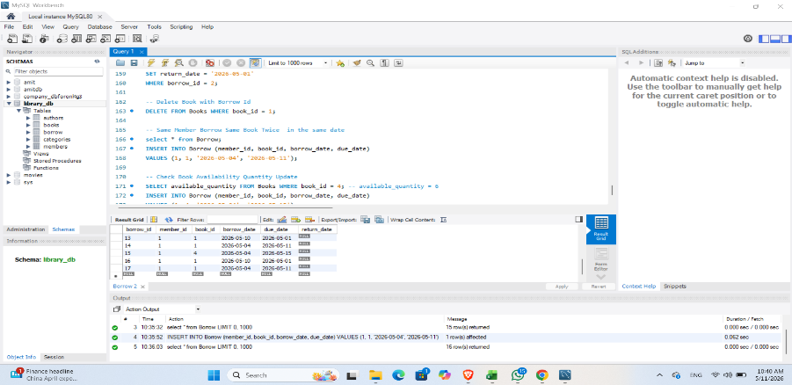 | TC-09
BUG-003 | Books table available quantity does not decrease after borrowing a book | When a member borrows a book successfully, the available_quantity value in the Books table does not decrease automatically. The system inserts the borrow record correctly, but no update occurs on the available quantity, causing incorrect availability data in the database. | "1. Open MySQL Workbench and use library_db database 2. Execute the following query to check current quantity: SELECT available_quantity FROM Books WHERE book_id = 4; 3. Execute borrow query: INSERT INTO Borrow (member_id, book_id, borrow_date, due_date) VALUES (1, 4, '2026-05-04', '2026-05-15'); 4. Execute the quantity query again: SELECT available_quantity FROM Books WHERE book_id = 4; | "The available_quantity value should decrease by 1 after successful borrowing The Books table should reflect updated stock availability" | The borrow record is inserted successfully available_quantity value does not change after borrowing Books table still shows the same quantity value" | Major | High | Fatma mostafa ali mostafa | MySql Workbench 0.8 CE OS: Windows 11 | 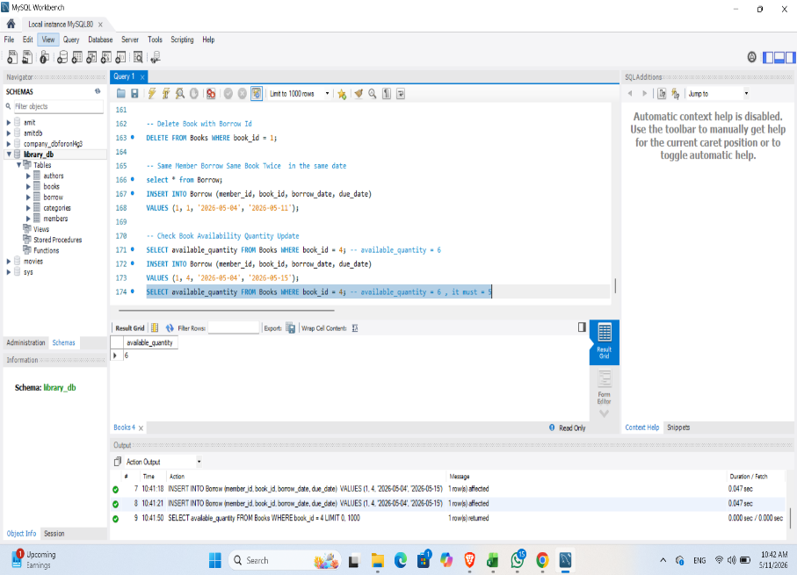 | TC_10

